1. Title Page
Instacart Basket Analysis

Project Name: 2020 Instacart Bask Analysis
Date: 10/04/2023
Analyst Name: Ritvik Solanki

Contents:
Population Flow
Consistency checks
Wrangling steps
Column derivations
Visualizations
Recommendations

2. Population Flow
Title page

Population flow

Exclusion flag
Condition: max_order < 10
Obervations to be removed:
Final total count of order_products_all:

df_orders_products_combined
df_ords_prods_merged
df_ords_prods_customers_merged
orders_products_customers_merged2
Total: 32,434,212 x 34

Total: 32,434,489x10
Total: 32,434,212x15
Total: 32,404,859x29

1.) The grey boxes in the first row of the population flow represent the original data sets as they were when you downloaded them. In the Total fields you need to add the count of the rows when you imported the data set into Jupyter.
2.) The second row of boxes (coloured) represents the data sets after you manipulated them, e.g., removed missing values and duplicates. In the Total fields you need to add the count of the rows after conducting these operations. This offers a visual oveview of how the data flows throughout the data consistency checks.
3.) The third row, where also the arrows are coloured, represents the merges you performed between the datasets. In the Total fields you need to add the count of the rows in the merged datasets, so that you end up with the final dataset (in the red box). Keep in mind the final dataset should be without exclusions (based on the exclusion flag).

3. Consistency checks
 |  |  |  | Title page
Consistency checks

Dataset | Missing values | Missing values treatment | Duplicates
orders | 2,078,084 Missing values in the the column 'days_since_prior_order'. The missing values have 'order_number' as 1. This means that every user who has a missing value for 'days_since_last_order' column. | The NaN missing values were not modifed because they represent important information. | There were not any duplicates found.
products | In the df_prods database there are 16 missing values in the 'product_name' column. | Filtered out the missing 'NaN' values into a subset dataframe and conducted further analysis on the subset. | 5 duplicate rows have been removed. Values that are not missing into a separate subset dataframe. Further analysis was conducted on this separate dataframe.
orders_products_prior | No missing values | No treatment | No duplicates found
customers | 11,259 missing values for customer 'first_name' | This column was not used in the analysis. | No duplicates found
df_ords_prods_merged | There are 5,127 rows in 'prices' column that are outliers. Price greater than $100 are labeled as outliers. | Turn the outlier values into missing 'NaN' | No duplicates found

4. Wrangling steps
 |  |  |  |  | Title page
Wrangling steps

 | Columns dropped | Columns renamed | Columns' type changed | Comment/Reason
 | Dataset: orders
 | Column='oval_set' |  |  | Column: 'oval_set' is not needed for the analysis because it is an indicator column that is meta data.
 |  | 'order_dow' to 'orders_day_of_week' |  | The initial column name used terminolgy that is not commonly known.
 |  | 'days_since_prior_order' to 'days_since_last_order' |  | days_since_last_order' is more readily understandable
 | '_merge' |  |  | Not needed for analysis
 |  |  | 'order_id' to str | Changing the data type from integer to string. The describe() function will ignore string values when calculating descriptive statistics
 |  |  | 'user_id' to 'str' | Changing the data type from integer to string. The describe() function will ignore string values when calculating descriptive statistics
 | Dataset: products
 | N/A | N/A | N/A | No wrangling was needed, only data checks and then a merge to another dataframe.
 | Dataset: customers
 |  | 'Unnamed:0' to 'department_id' |  | Labels are based on department ID
 | 'first_name'
 | 'last_name' | 'First Name' to 'first_name'
 |  | 'Surnam' to 'last_name'
 |  | 'Gender' to 'gender'
 |  | 'STATE' to 'state'
 |  | 'Age' to 'age'
' |  |  | 'user_id' from 'integer' to 'str' | Changing the data type from integer to string. The describe() function will ignore string values when calculating descriptive statistics
 | Final Wrangling Steps to df_high_merged (cleaning/dropping all columns that are not necessary for the analysis.
 | 'add_to_cart_order' |  |  | These columns are not needed for the analysis
 | 'reordered'
 | 'aisle_id'

5. Column Derivation
 |  |  |  | Title page

Column derivations and aggregations

In this tab you should add tables below that the frequences of flags/label variables that you produced after deriving them. NB: don't do this for continuous variables, only for flags.
'price_range_loc':
Mid-range product: 20,919,807
Low-range product: 9,459,127
high-range product: 613,730
'busiest_day':
Regularly busy: 21,450,589
Busiest day: 5,913,818
Least busy: 3,628,257
Dataset | New column | Column/s it was derived from | Conditions
df_ords_prods_customers_merged | 'price_range_loc' | j | If the value of the 'prices' column is greater than 15, then return the string 'High-range product'. If the value within the 'prices' column is greater than 5 and less than or equal to 15, then return the string 'Mid-range product'. If the value within the 'prices' column is less than or equal to 5, then return the string 'Low-range product'.
df_ords_prods_customers_merged | 'busiest_day' | 'order_dow' | If the value of the 'orders_day_of_week' column is equal to 0 or 1, then the string 'Busiest day' is appended to the result list. If the value of the 'orders_day_of_week' column is equal to 3 or 4, then the string 'Least Busy' is appended to the result list. If neither of these conditions has been met , then a 'Average Day' string value is appended to the result list.
'busiest_period_of_day':
Most orders: 20,199,259
Average orders: 9,559,500
Fewest orders: 1,233,905
'loyalty_flag':
Regular Customer: 15,891,077
Loyal Customer: 10,293,737
New Customer: 4,807,850
df_ords_prods_customers_merged | 'busiest_period_of_day' | 'order_hour_of_day' | If the value of the 'order_hour_of_day' column is between the period 09 AM to 4 PM, then the string 'Most orders' is appended to the result list. If the value of the 'order_hour_of_day' column is between the period 11 PM to 6 AM, then the string 'Fewest orders' is appended to the result list. If neither of these conditions has been met , then a 'Average orders' string value is appended to the result list.
'spending_flag':
Low spender: 30,388,080
High spender: 604,584
df_ords_prods_merged | 'loyalty_flag' | 'max_order': derived from 'user_id' and 'order_number' | If the maximum orders the user has made is over 40, then the customer will be labeled a “Loyal customer.” If the maximum orders the user has made is over 10 but less than or equal to 40, then the customer will be labeled a “Regular customer.” If the maximum orders the user has made is less than or equal to 10, then the customer will be labeled a “New customer.”
df_ords_prods_merged | 'spending_flag' | 'mean_prices' created from 'user_id' and 'prices' | If 'spending_flag' is less than 10, then 'spending_flag' is 'Low Spender'. If 'spending_flag' Is greater than or equal to 10, then 'High Spender'
'frequency_flag':
Frequent Customer: 21,221,908
Regular Customer: 6,873,313
Non-Frequent customer: 2,897,443
'region':
South: 10,320,462
West: 7,934,427
Midwest: 7,267707
Northeast: 5,470,068
'customer_activity':
High Activity: 30,992,664
'age_group':
'19-29': 5,823,021
'70 and over': 5,817,756
'40-49': 4,887,575
'30-39': 4,851,629
'50-59': 4,846,498
'60-69': 4,766,185
df_high_merged | 'region' | 'State' | Northeast: State = ['Maine', 'New Hampshire', 'Vermont', 'Massachusetts', 'Rhode Island', 'Connecticut', 'New York', 'Pennsylvania', 'New Jersey'] Midwest: State = ['Wisconsin', 'Michigan', 'Illinois', 'Indiana', 'Ohio', 'North Dakota', 'South Dakota', 'Nebraska', 'Kansas', 'Minnesota', 'Iowa', 'Missouri'] South: State = ['Delaware', 'Maryland', 'District of Columbia', 'Virginia', 'West Virginia', 'North Carolina', 'South Carolina', 'Georgia', 'Florida', 'Kentucky', 'Tennessee', 'Mississippi', 'Alabama', 'Oklahoma', 'Texas', 'Arkansas', 'Louisiana'] West: State = ['Idaho', 'Montana', 'Wyoming', 'Nevada', 'Utah', 'Colorado', 'Arizona', 'New Mexico', 'Alaska', 'Washington', 'Oregon', 'California', 'Hawaii']
df_high_merged | 'customer_activity' | 'max_order' | If 'max_order' is less than 5, then 'low_activity'. If 'max_order' is greater than or equal to 5, then 'high_activity'.
'income_group':
Middle Income: 11,888,963
Lower Income: 9,916,338
Upper Income: 9,187,363
df_ords_prods_merged | 'age_group' | 'Age' | 18-29: Age <= 29 30-39: Age > 29 and < 40 40-49: Age > 39 and < 50 50-59: Age > 49 and < 60 60-69: Age > 59 and < 70 70 and over: Age > 69
'customer_profile':
Older Married Parent: 17,061,351
Young Married Parent: 4,701,670
Single Male w/o Children: 3,884,900
Single Female w/o Children: 3,862,132
Low Income Single Parent: 895,891
Singe Parent: 586,720
df_ords_prods_customers_merged | 'income_group' | 'income' | If 'income' is less than 75,000 then 'age_group ' is 'Lower Income'. If 'income' is greater than 75,000 and less than 120,000, then 'income_group' is 'Middle Income'. If 'income' is greater than 120,000 then 'income_group' is 'Upper Income'.
df_ords_prods_customers_merged | 'customer_profile' | Created from 'n_dependants' and 'fam_status' | If 'n_dependants' equal to zero, then 'customer_profile' then 'Single Adult'. If 'n_dependants' greater than zero, then 'customer_profile' is 'Young Parent'. If 'n_dependants' is less than or equal to two, then 'Family'. If 'n_dependants' is greater than two, then 'customer_profile' is 'Big Family'.
'customer_income_profile':
Middle Income Married Older Parent: 7,158,802
Upper Income Married Older Parent: 6,845,471
Low Income Married Older Parent: 4,761,165
Low Income Married Young Parent: 1,782,321
Middle Income Single Female w/o Children: 1,484,710
Middle Income Single Male w/o Children: 1,461,673
Low Income Single Male w/o Children: 1,257,921
Low Income Single Female w/o Child: 1,219,040
Upper Income Single Male w/o Children: 1,165,306
Upper Income Single Female w/o Children: 1,158,382
Middle Income Married Young Parent: 1,071,368
NaN: 1,039,785
Middle Income Single Parent: 568,516
Upper Income Single Parent: 18,204
df_high_merged | 'customer_income_profile' | Created from 'n_dependants,'income_group','age_group','fam_status' | If 'age' is greater than 30 then 'Older'. If 'age' is less than 30, then 'Young'. If 'n_dependants' greater than zero then 'with Children'. If 'n_dependants' is zero then 'w/o Children'. If 'fam_status' is NOT 'married' then 'single'. If 'income_group' is 'lower income' then 'low income'. Etc.
 |  |  | Middle Income Married Older Parent
 |  |  | Upper Income Married Older Parent
 |  |  | Low Income Married Older Parent
 |  |  | Low Income Married Young Parent
 |  |  | Middle Income Single Female w/ Children
 |  |  | Middle Income Single Male w/o Children
 |  |  | Low Income Single Male w/o Children
 |  |  | Low Income Single Female w/o Children
 |  |  | Upper Income Single Male w/o Children
 |  |  | Upper Income Single Female w/o Children
 |  |  | Middle Income Married Young Parent
 |  |  | Middle Income Single Parent
 |  |  | Upper Income Single Parent

6. Visualizations
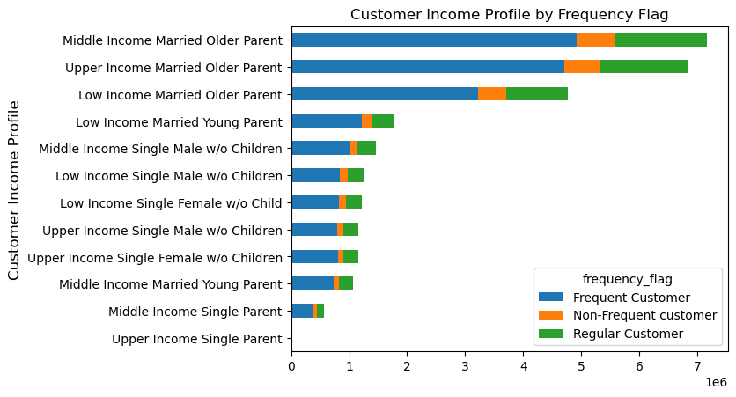
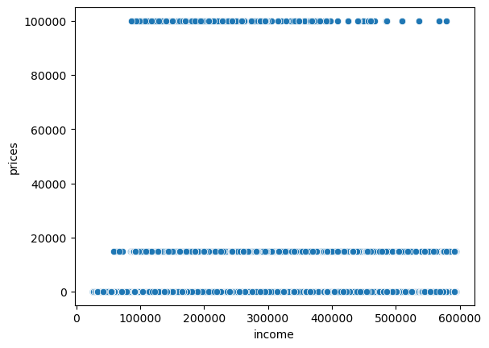
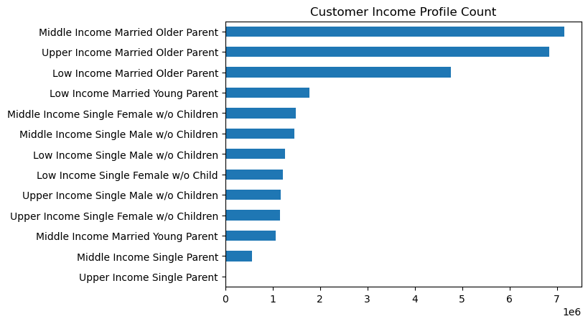
 |  | Title page

Visualisations

In this tab you should include all the visualtions from Exercises 4.9 and 4.10, alongside the questions from the project brief that they answer. Include any commentary on the relationship between different variables.

 | 1. The sales team needs to know what the busiest hours of the day are (i.e., the times with the most orders) in order to schedule ads at times when there are fewer orders.

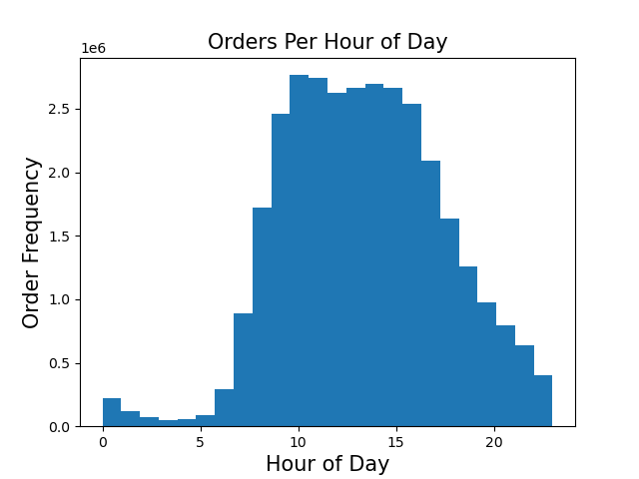

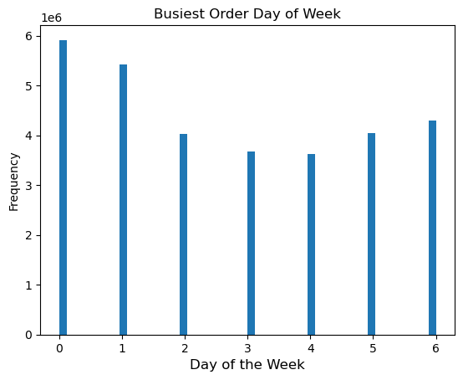
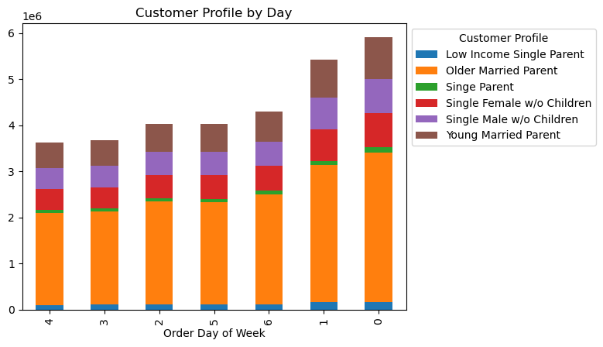

2. They also want to know whether there are particular times of the day when people spend the most money, as this might inform the type of products they advertise at these times.
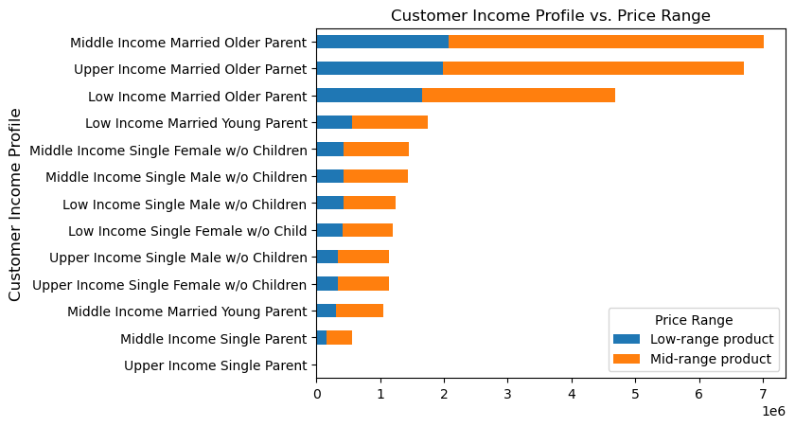
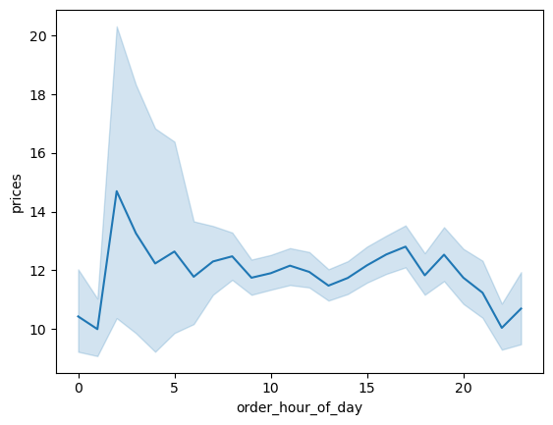
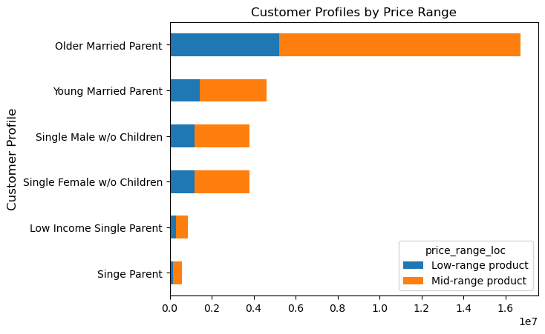

3. Are their certain types of products that are more popular than others? The marketing and sales team want to know which departments have the highest frequency of product orders.
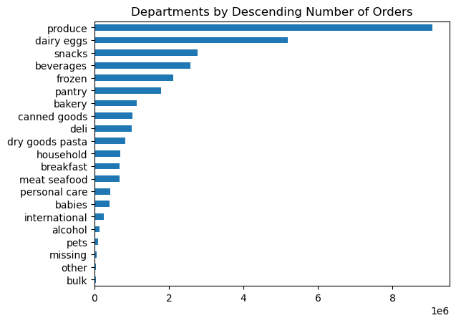
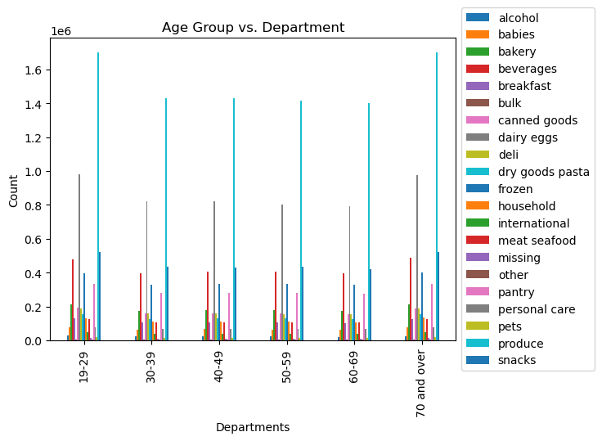

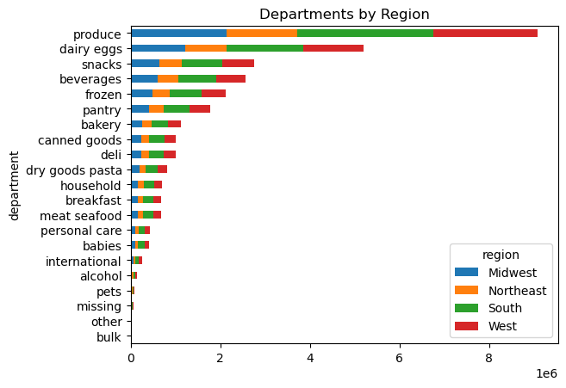

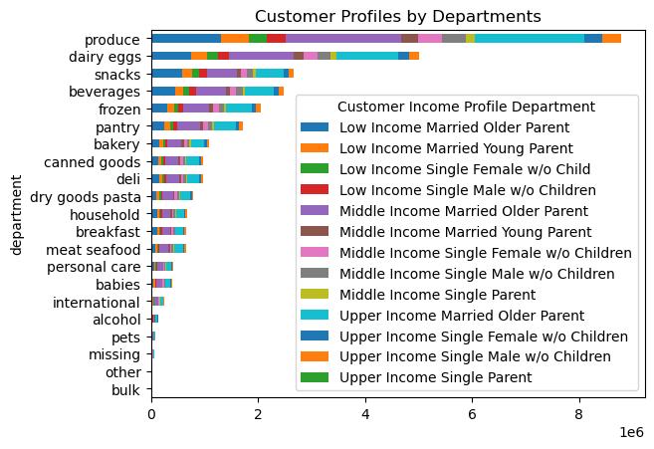

4. What's the distribution among users in regards to their brand loyalty?
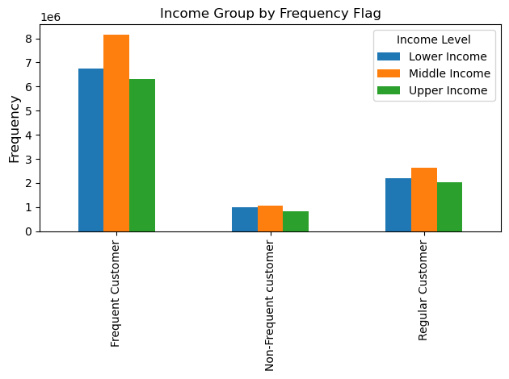
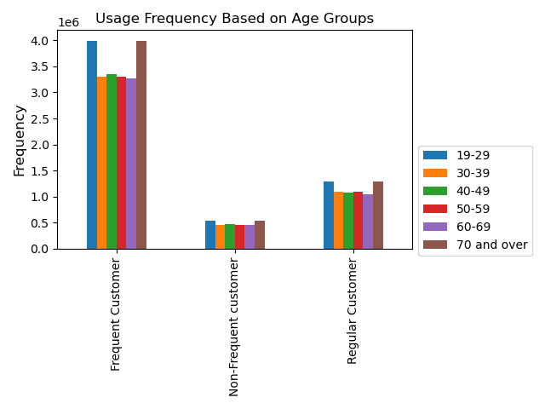

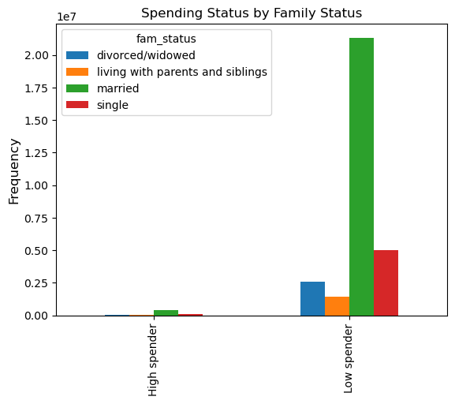
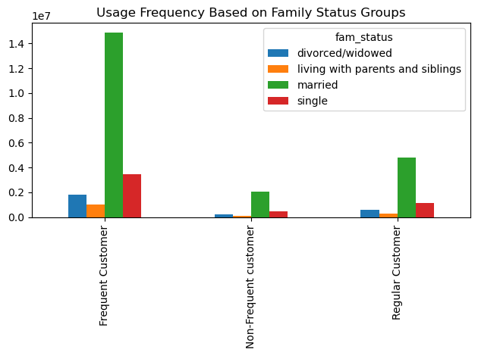

5. Are there differences in ordering habits based on customer's region?

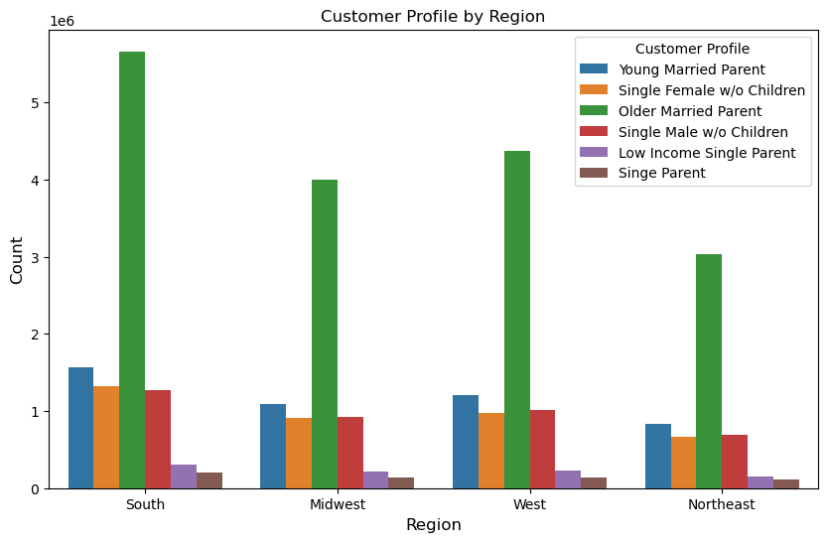

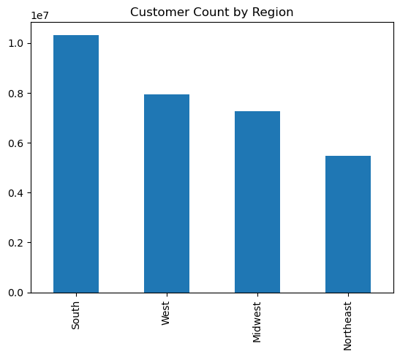

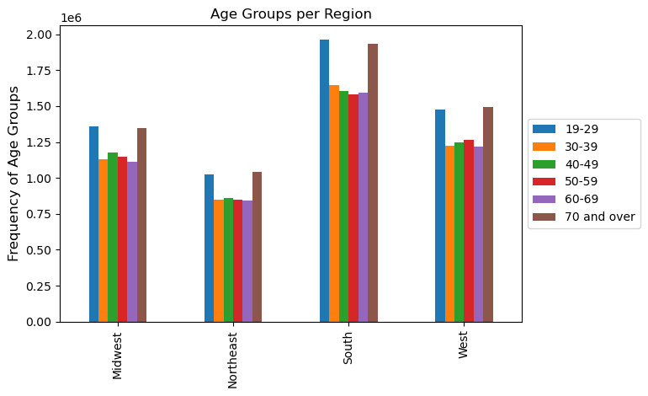

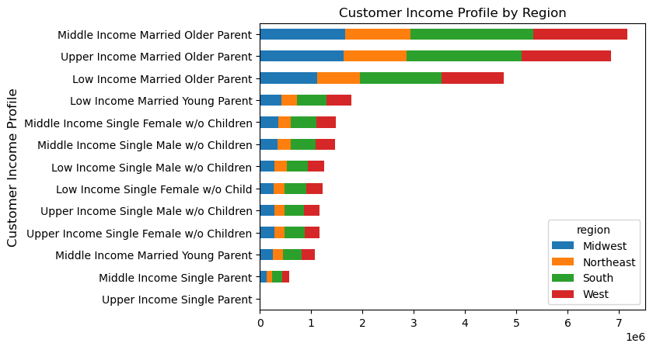

6. Is there a connection between age and family status in terms of ordering habits?

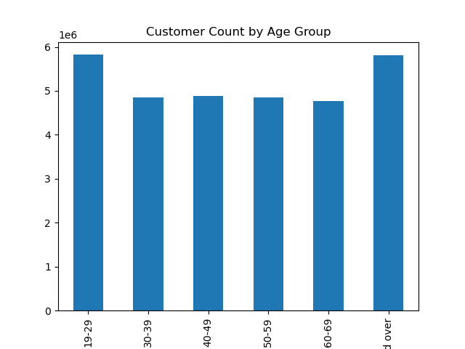

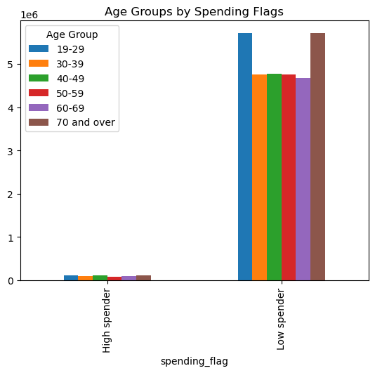

7. What differences can you find in ordering habits of different customer profiles?

7. Recommendations
 |  |  | Title page

Recommendations

In this tab you should include any recommendations you would made to Instcart in terms of their marketing strategy based on the questions posed in the brief. Every key question has been covered in the Tasks of the Exercises - here you need to add an item - a visualisation or table/crosstable that is showing the answer in the data, acompanied by a comment from you. Please, list the questions below and add the answer underneath.

Key Questions | Question | Answers
Key Question 1 | The sales team needs to know what the busiest days of the week and hours of the day are (i.e., the days and times with the most orders) in order to schedule ads at times when there are fewer orders. | According to the data, the peak order times are from 9AM to 4PM. The greatest benefit would be to send out targeted ads at weaker times. The day of week bar chart shows that the highest order days are Saturday. Sending out targeted ads during the night time and on weekdays would help smooth out the order waves. This will allow for the company to more efficiently allocate resources.
Key Question 2 | They also want to know whether there are particular times of the day when people spend the most money, as this might inform the type of products they advertise at these times | There seems to be an outlier during the middle of the night when customers spend large amounts on expensive goods. The rest of the day the order rate is consistent. The sales team can send out targeted ads to high activity customers at night and early in the morning.
Key Question 3 | Are their certain types of products that are more popular than others? The marketing and sales team want to know which departments have the highest frequency of product orders. | According to the data, the departments are produce, dairy and eggs, snacks, and frozen items have the highest frequency. Charts also show that there is not a unique pattern between region and department, customer income profile and department, and income level and department. It seems like the 'Bulk' category is not performing well at all. It might make sense to advertise deals in the 'bulk' category to large families with multiple children.
Key Question 4 | What's the distribution among users in regards to their brand loyalty. | There are higher share of 'married' customers in the 'frequent customers' than the other family groups. Since married individuals tent to be more loyal and frequent, providing ads and deals to married individuals will help shore up the strongest and most frequent customers. In addition, the 'regular' and 'non-frequent' customers can be inticed to shopping more often by sending targeted ads that take into account the customers age, income, family status, and region.
Key Question 5 | Are there differences in ordering habits based on customer's region? | Considering the population density of the Northeastern USA, total orders in the northeast is too low. This can be remedied by targeted ads an deals. Since customer profiles are present in similar proportions in all regions, it is not clear that certain ads will work better in different regions.
Key Question 6 | What differences can you find in the ordering habits of different customer profiles? | Married customers make up the largest customer base. Ads emphasizing home goods targeting married customers would be effective. Middle Income customers are followed by Low Income customers, and only shortly behind is Upper income. Sending out ads and deals to lower income customers would be beneficial since 'Low Income' customers are far too under-represented in our customer base. These ads might need to highlight the money and time saved by using instacart instead of taking time to visit a grocery store. The largest age groups are '19-29' and '70 and over'. Different age groups are purchasing goods from different departments in consistent proportions, suggesting that age does not have an influence on chosen goods.

